Sheet1
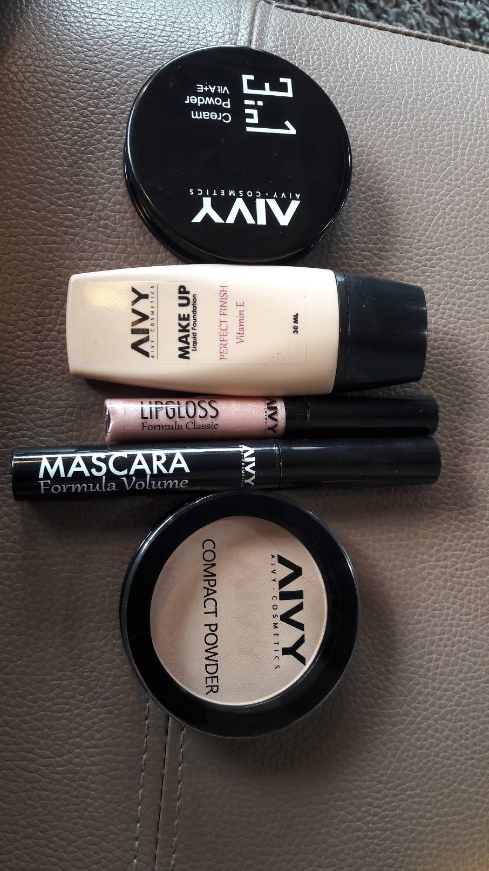
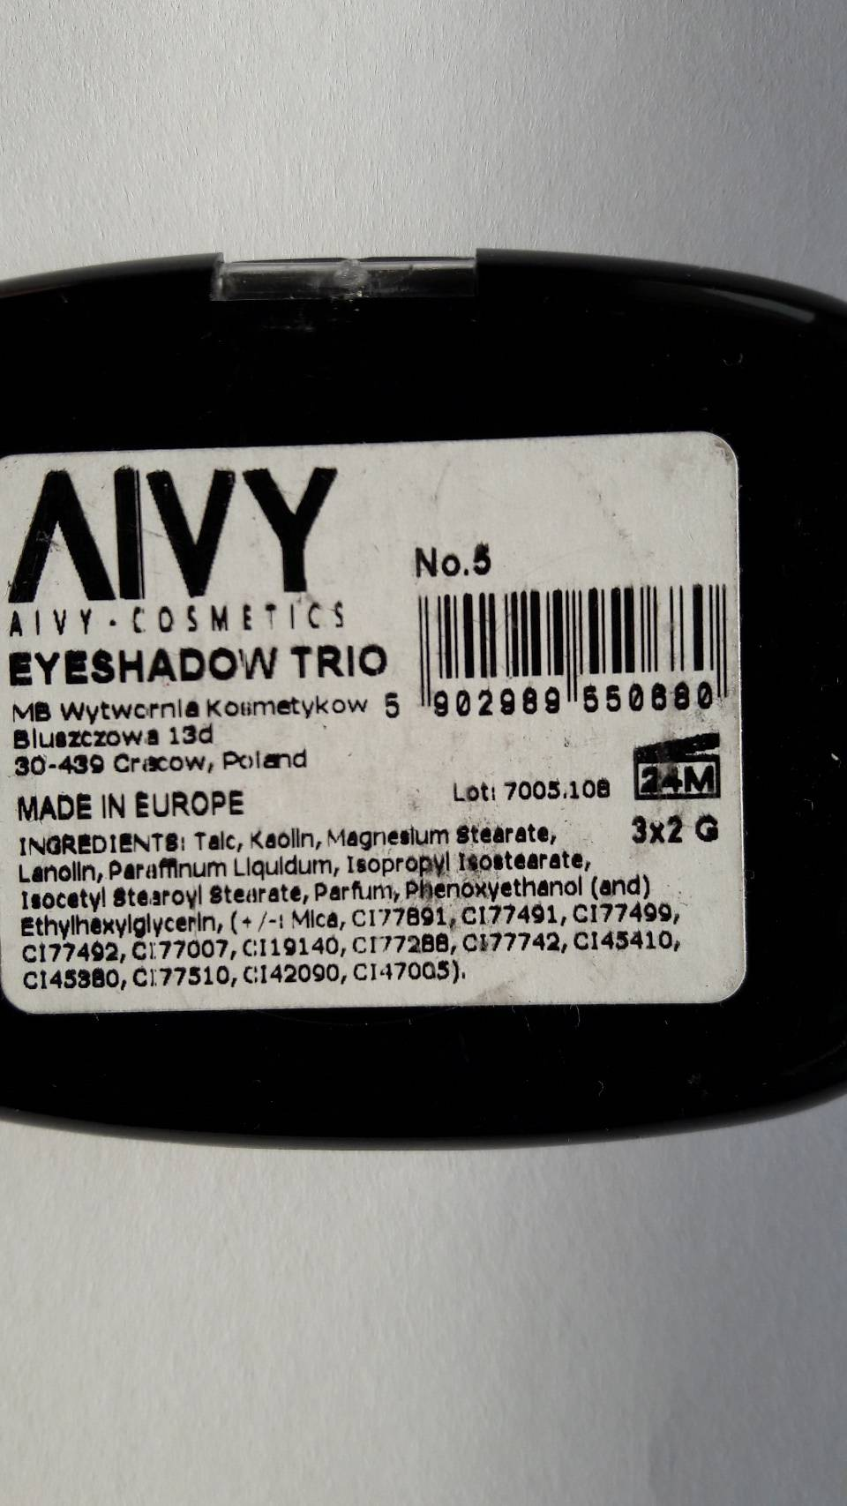
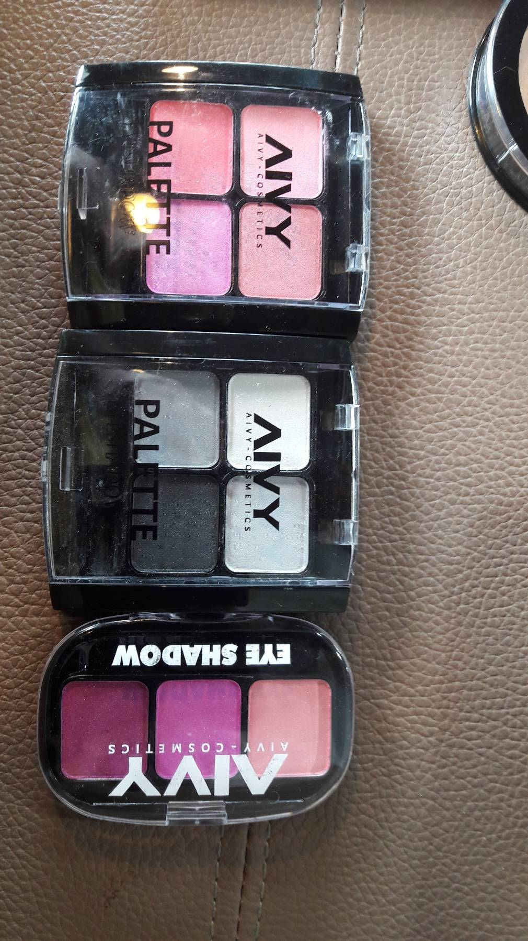
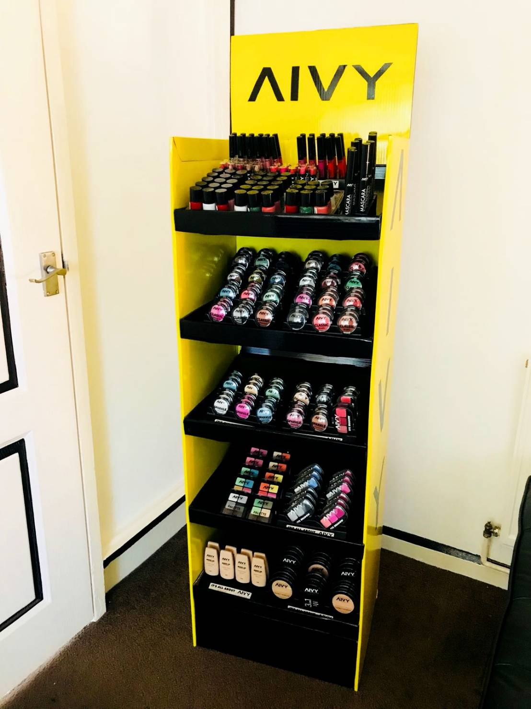
Per stand | Per stand | Per stand | Per stand |  | Per stand |  | Total units available | Total RRP
Item | Colours | units per colour | Total units | RRP | Line RRP | Item
Eye Shadow Oval 1 | 10 | 3 | 30 | £2.99 | £89.70 | Eye Shadow Oval 1 | 3060 | £9,149.40
Eye Shadow Oval 11 | 4 | 3 | 12 | £3.49 | £41.88 | Eye Shadow Oval 11 | 1224 | £4,271.76
Eye Shadow Oval 111 | 5 | 3 | 15 | £3.99 | £59.85 | Eye Shadow Oval 111 | 1500 | £5,985.00
Eye Shadow Oval IV | 6 | 3 | 18 | £4.49 | £80.82 | Eye Shadow Oval IV | 1800 | £8,082.00
Eye Shadow Glitter OI | 11 | 3 | 33 | £3.49 | £115.17 | Eye Shadow Glitter OI | 3366 | £11,747.34
Eye Shadow Glitter Oval 1 | 6 | 3 | 18 | £3.49 | £62.82 | Eye Shadow Glitter Oval 1 | 1836 | £6,407.64
Mascara Long | 4 | 3 | 12 | £6.99 | £83.88 | Mascara Long | 1200 | £8,388.00
Lipstick | 10 | 3 | 30 | £2.99 | £89.70 | Lipstick | 3000 | £8,970.00
Lipgloss | 11 | 3 | 33 | £3.99 | £131.67 | Lipgloss | 3300 | £13,167.00
Blusher Oval | 5 | 3 | 15 | £4.99 | £74.85 | Blusher Oval | 1530 | £7,634.70
Foundation | 5 | 3 | 15 | £6.99 | £104.85 | Foundation | 1440 | £10,065.60
Powder Compact | 5 | 3 | 15 | £4.99 | £74.85 | Powder Compact | 1440 | £7,185.60
Powder 3 in 1 | 5 | 3 | 15 | £5.99 | £89.85 | Powder 3 in 1 | 1440 | £8,625.60
Nail Polish | 15 | 3 | 45 | £2.99 | £134.55 | Nail Polish | 4500 | £13,455.00
 |  |  | 306 |  | £1,234.44 |  | 30636 | £123,134.64

 |  |  |  |  |  |  | average RRP | £4.02

